Copy of ELK8000347
 | ELK8000347 |  | Total Pieces |  | 67

Image | Model Code | Description | Manufacturer | Qty | Retail Price | BH Price
 |  |  |  |  |  | 38%
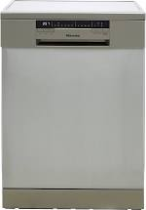 | HS60240XUK_SS | Dishwasher 600 | Hisense | 1 | £349.00 | £133
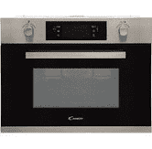 | MIC440VTX_BSS | Microwave | Candy | 1 | £499.00 | £190
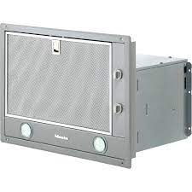 | DA2450_CS | Cooker Hoods | Miele | 1 | £379.00 | £144
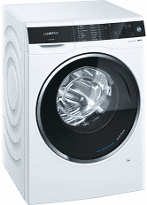 | WD14U520GB_WH | Washer Dryers | Siemens | 1 | £879.00 | £334
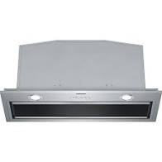 | LB79585MGB_SS | Cooker Hoods | Siemens | 1 | £799.00 | £304
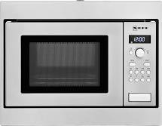 | H53W50N3GB_SS | Microwave & Grills | Neff | 1 | £310.00 | £118
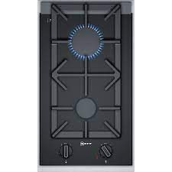 | N23TA29N0_BK | GAS HOB | Neff | 1 | £499.00 | £190
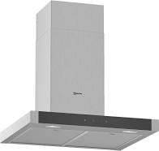 | D64BHM1N0B_SS | Cooker Hoods | Neff | 1 | £389.00 | £148
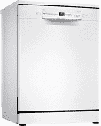 | SMS24AW01G_WH | Dishwasher | Bosch | 1 | £329.00 | £125
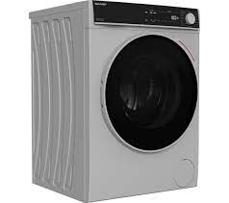 | ES-NDB8144SD-EN_SI | Washer Dryers | Sharp | 1 | £429.00 | £163
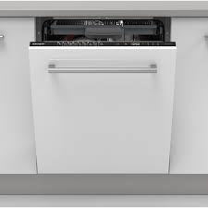 | QW-NI54I44DX-EN_BK | Dishwasher | Shapr | 1 | £429.00 | £163
 | SJ-B1237M00X-EN_WH | STD Fridge Freezer | Sharp | 1 | £419.00 | £159
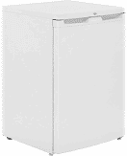 | UFF584APW_WH | FREEZER - Under Counter | Beko | 1 | £179.00 | £68
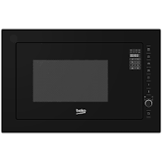 | MCB25433BG_BK | Microwave & Grills | Beko | 1 | £319.00 | £121
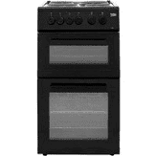 | KD533AK_BK | COOKER | Beko | 1 | £279.00 | £106
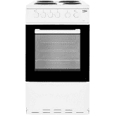 | KS530W_WH | COOKER | Beko | 1 | £189.00 | £72
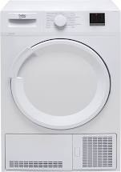 | DTGC8001RW_WH | Tumble Dryer 8Kg | Beko | 1 | £209.00 | £79
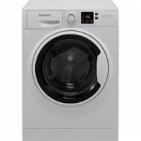 | NSWA963CWWUKN_WH | Washing Machines | Hotpoint | 1 | £349.00 | £133
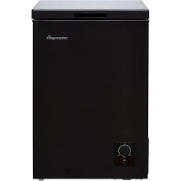 | MCF96B_BK | LARGE CHEST FREEZER | Fridgemaster | 1 | £129.00 | £49
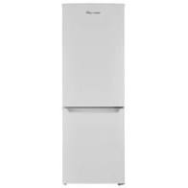 | MC50165AF_WH | Fridge | Fridgemaster | 1 | £154.00 | £59
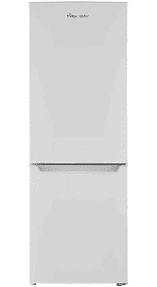 | MC50165AF_WH | Fridge | Fridgemaster | 1 | £154.00 | £59
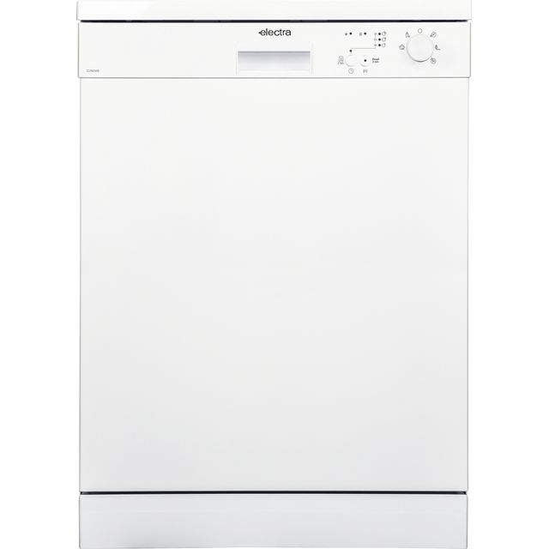 | C1760WE_WH | Dishwasher | Vestel | 1 | £219.00 | £83
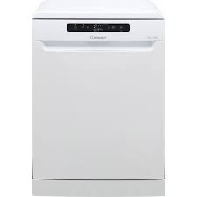 | C1760WE_WH | Dishwasher | Vestel | 1 | £219.00 | £83
 | A3FE635CGJE_SI | STD Fridge Freezer | Haier | 1 | £529.00 | £201
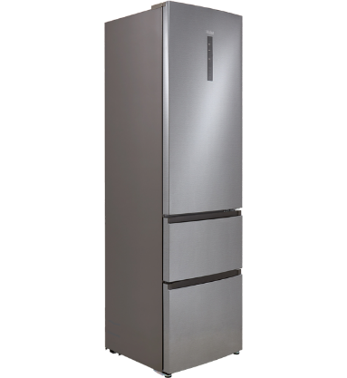 | AFE635CHJ_SI | STD Fridge Freezer | Haier | 1 | £479.00 | £182
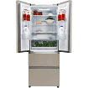 | HB15FPAA_SI | STD Fridge Freezer | Haier | 1 | £629.00 | £239
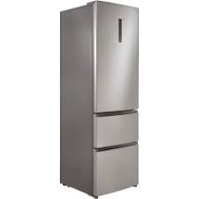 | HTR3619FNMP_PI | STD Fridge Freezer | Haier | 1 | £499.00 | £190
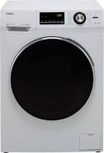 | HW100-B14636_WH | Washing Machines | Haier | 1 | £399.00 | £152
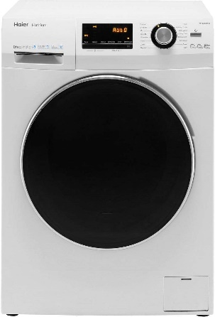 | HW100-B14636_WH | Washing Machines | Haier | 1 | £399.00 | £152
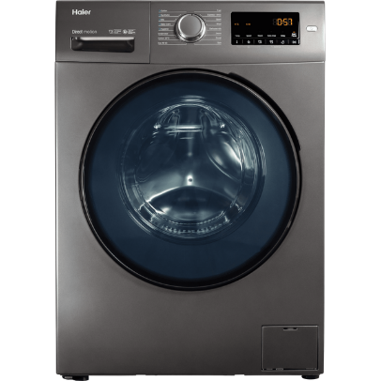 | HW80-B1439NS8_GH | Washing Machines | Haier | 1 | £329.00 | £125
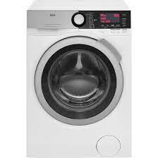 | L9FEC966R_WH | Washing Machines | AEG | 1 | £939.00 | £357
 | ZDC8202PZ_WH | Tumble Dryers | Zanussi | 1 | £379.00 | £144
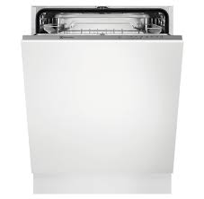 | KEAF7100L_BK | Dishwasher | Electrolux (Distribution) | 1 | £346.00 | £131
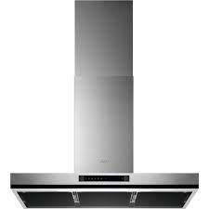 | DBK6680HG_SS | Cooker Hoods | AEG | 1 | £554.00 | £211
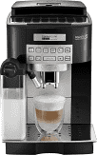 | ECAM44.660.B_BK | Coffee Makers | De'Longhi | 1 | £899.00 | £342
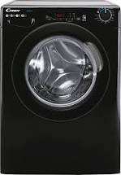 | GVS169DC3B_BK | Washing Machines | Candy | 1 | £319.00 | £121
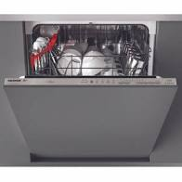 | HDI1LO38B_BK | Dishwasher | Hoover | 1 | £263.00 | £100
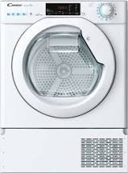 | CBTDH7A1TE_WH | Tumble Dryers | Candy | 1 | £549.00 | £209
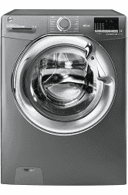 | DXOA68C3R_GH | Washing Machines | Hoover | 1 | £389.00 | £148
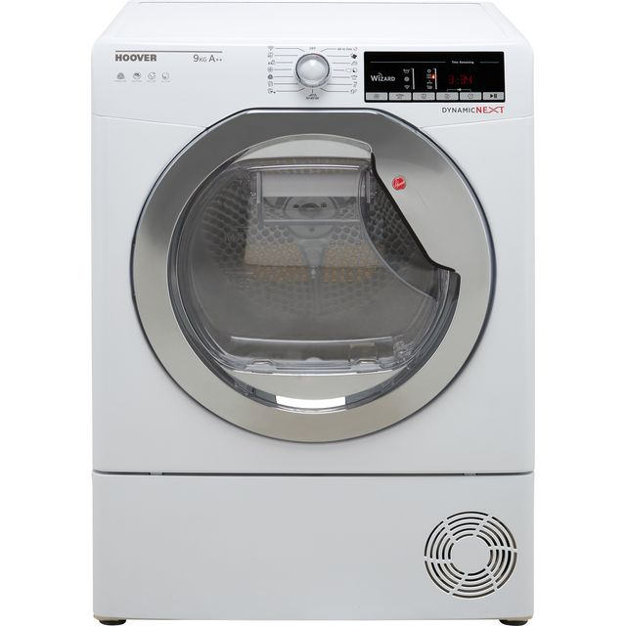 | DXOH9A2TCE_WH | Tumble Dryers | Hoover | 1 | £399.00 | £152
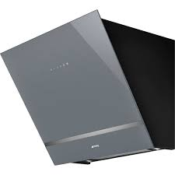 | KV26S_SIG | Cooker Hoods | Smeg | 1 | £579.00 | £220
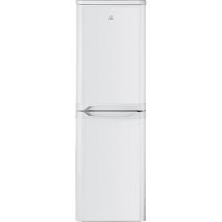 | IBD5517WUK1_WH | STD Fridge Freezer | Indesit | 1 | £227.00 | £86
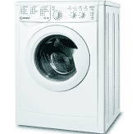 | IWDC65125SUKN_SI | Washer Dryers | Indesit | 1 | £318.00 | £121
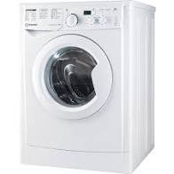 | EWD81483WUKN_WH | Washing Machines | Indesit | 1 | £209.00 | £79
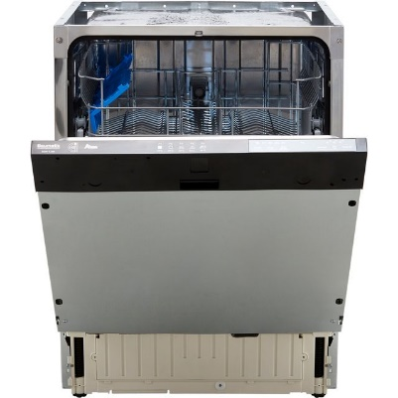 | BDIN1L38B-80_BK | Dishwasher | Baumatic | 1 | £239.00 | £91
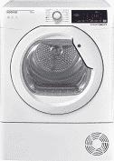 | DXOC9TCG_WH | Tumble Dryers | Hoover | 1 | £249.00 | £95
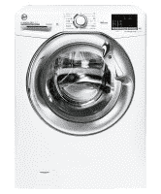 | H3DS4965TACBE_BK | Washer Dryers | Hoover | 1 | £499.00 | £190
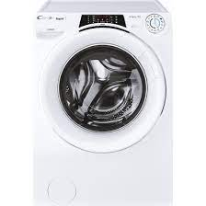 | RO16106DWMCRE_GH | Washing Machines | Candy | 1 | £369.00 | £140
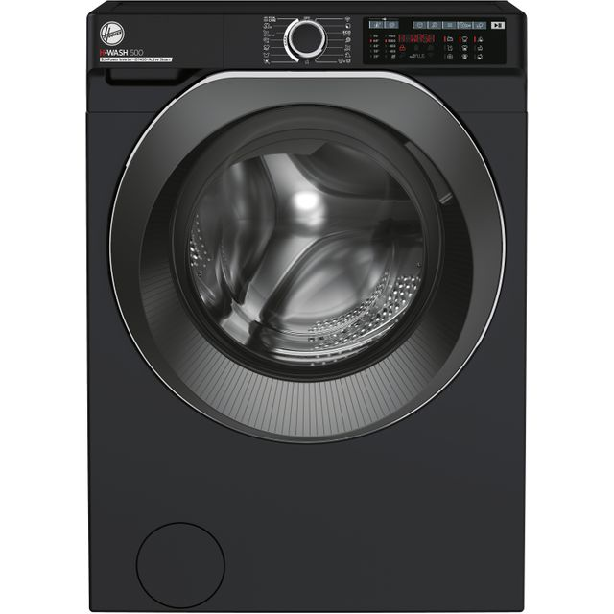 | HW49AMBCB/1_BK | Washing Machines | Hoover | 1 | £379.00 | £144
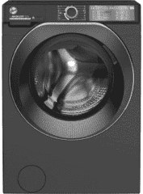 | HD496AMBCB/1_BK | Washer Dryers | Hoover | 1 | £479.00 | £182
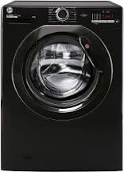 | H3W492DBBE/1_BK | Washing Machines | Hoover | 1 | £259.00 | £98
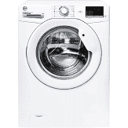 | H3W492DE/1_WH | Washing Machines | Hoover | 1 | £259.00 | £98
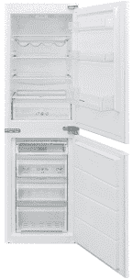 | BCBS1725TK/N_WH | Larder Fridge | Hoover | 1 | £448.00 | £170
 | DVN05R20W_WH | Dishwasher | Beko | 1 | £239.00 | £91
 | DTLCE70051W_WH | Tumble Dryers | Beko | 1 | £199.00 | £76
 | DTLCE80121W_WH | Tumble Dryers | Beko | 1 | £229.00 | £87
 | WTL92151W_WH | Washing Machines | Beko | 1 | £249.00 | £95
 | DW60M6050FW_WH | Dishwasher | Samsung | 1 | £359.00 | £136
 | WW10N645RBW_WH | Washing Machines | Samsung | 1 | £549.00 | £209
 | MC28M6075CS_SI | Microwave & Grills | Samsung | 1 | £229.00 | £87
 | NQ50K5137KB_BK | Microwave & Grills | Samsung | 1 | £479.00 | £182
 | WD90T534DBW_WH | Washer Dryers | Samsung | 1 | £649.00 | £247
 | WW10T684DLN_GH | Washing Machines | Samsung | 1 | £749.00 | £285
 | WW90T554DAW_WH | Washing Machines | Samsung | 1 | £449.00 | £171
 | WW90TA046AX_GH | Washing Machines | Samsung | 1 | £429.00 | £163
 | WW90TA046AX_GH | Washing Machines | Samsung | 1 | £429.00 | £163
 | WW90TA046AX_GH | Washing Machines | Samsung | 1 | £429.00 | £163
 |  |  | TOTAL | 67 | £26,586.00 | £10,103
 |  |  |  |  | RRP | BH Price

